Sheet1
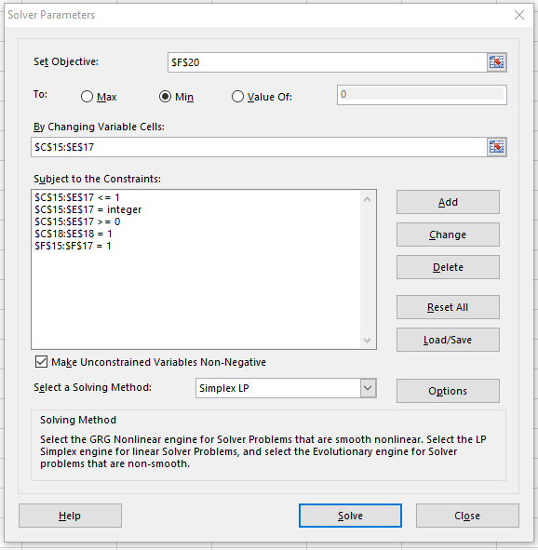
Given: |  |  |  |  |  | Chapter 16 problem 1
Cost Information:
 |  | Job
 |  | A | B | C
Worker | 1 | 5 | 8 | 6
 | 2 | 6 | 7 | 9
 | 3 | 4 | 5 | 3
Find:
a) Determine worker assignments to minimize costs |  |  |  |  | Note: I added some extra constraints I didn’t show in the video!! ====>
b) Compute the total cost for your assignment plan
Solution:
a) Determine worker assignments to minimize costs
 |  | Job
 |  | A | B | C
Worker | 1 | 1 | 0 | 0 | 1 | =SUM(C15:E15)
 | 2 | 0 | 1 | 0 | 1 | =SUM(C16:E16)
 | 3 | 0 | 0 | 1 | 1 | =SUM(C17:E17)
 |  | 1 | 1 | 1

b) Compute the total cost for your assignment plan |  |  |  |  | 15 | =SUMPRODUCT(C5:E7,C15:E17)

